Sheet1
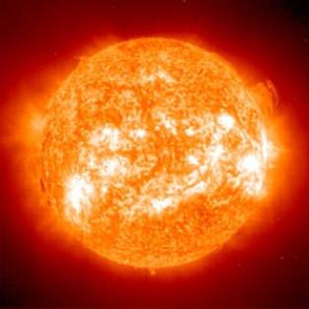
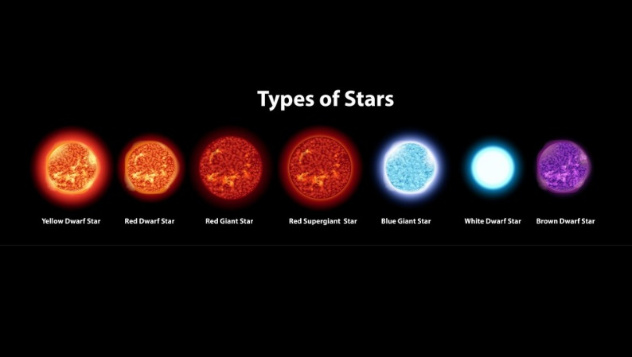
In this report, we will examine which stars have similar properties to the Sun in hopes of finding one that can support life on an orbiting planet. | Finding Another Sun: The Search For A Star That Could Potentially Support Life

Leanna Wisnefske

The AWAY company is looking for stars that share similar characteristics to the Sun because it is able to support life. The aim of this report is to examine the temperature, luminosity, radius, and absolute magnitude of various stars and compare those characteristics to those of the Sun.

Sun vs. Yellow Stars: a simple table displaying the measurements of yellow stars compared to the Sun |  |  | Temperature (K) | Luminosity | Radius | Absolute Magnitude | Color | Spectral Class | Type
 |  | Y1 | 5300 | 0.59 | 0.91 | 5.49 | Yellow | G | 3
 |  | Y2 | 5587 | 0.819 | 0.99 | 5.03 | Yellow | G | 3
 |  | Y3 | 5752 | 245000 | 97 | -6.63 | Yellow | G | 4
 |  | Sun | 5778 | 3.75 | 4.33 | 4.83 | Yellow | G | 3
Star vs. Sun Luminosity Zoomed In
 | Star L | Sun L
W6 | 9.25 | 3.75
W5 | 8.7 | 3.75
W2 | 7.92 | 3.75
YW2 | 1.43 | 3.75
Y5 | 1.357 | 3.75
YW1 | 1.35 | 3.75
Y2 | 0.819 | 3.75
Y4 | 0.81 | 3.75
O12 | 0.63 | 3.75
Y1 | 0.59 | 3.75
O11 | 0.357 | 3.75
O10 | 0.153 | 3.75
O8 | 0.085 | 3.75
Star vs. Sun Radius Zoomed In
 | Star R | Sun R
BW76 | 6.3 | 4.33
B2 | 6.237 | 4.33
BW20 | 6.21 | 4.33
BW47 | 6.03 | 4.33
BW75 | 6.02 | 4.33
BW21 | 5.992 | 4.33
BW68 | 5.92 | 4.33
BW1 | 5.856 | 4.33
BW25 | 5.745 | 4.33
BW33 | 5.68 | 4.33
BW28 | 5.653 | 4.33
BW71 | 5.49 | 4.33
W20 | 2.89 | 4.33
W14 | 2.63 | 4.33
W13 | 2.487 | 4.33
 |  | Y4 | 5800 | 0.81 | 0.9 | 5.05 | Yellow | G | 3
 |  | Y5 | 5936 | 1.37 | 1.106 | 4.46 | Yellow | G | 3

 |  |  |  | Sun vs. Star - Luminosity
Supporting graphic 1 with title, description | Supporting graphic 2 with title, description |  |  | Star Name | Temperature | Luminosity (E+28) | Radius (E+5) | Absolute Magnitude (A_M) | Color
 |  |  |  | Sun | 5778 K | 3.75 | 4.33 | 4.83 | Yellow
 |  |  |  | YW2 | 6757 K | 1.43 | 1.12 | 2.41 | Yellow-White
 |  |  |  | Y5 | 5936 K | 1.357 | 1.106 | 4.46 | Yellow
 |  |  |  | YW1 | 6380 K | 1.35 | 0.98 | 2.93 | Yellow-White
 |  |  |  | Y2 | 5587 K | 0.819 | 0.99 | 5.03 | Yellow
 |  |  |  | Y4 | 5800 k | 0.81 | 0.9 | 5.05 | Yellow

Star vs. Sun Absolute Magnitude Zoomed In
 | Star A_M | Sun A_M
BW58 | 10.18 | 4.83
R96 | 10.12 | 4.83
O10 | 6.506 | 4.83
O8 | 6.228 | 4.83
Y1 | 5.49 | 4.83
Y4 | 5.05 | 4.83
Y2 | 5.03 | 4.83
O11 | 4.78 | 4.83
O12 | 4.68 | 4.83
Y5 | 4.46 | 4.83
YW1 | 2.93 | 4.83
W2 | 2.44 | 4.83
W5 | 2.42 | 4.83
YW2 | 2.41 | 4.83
W14 | 1.45 | 4.83
W16 | 1.236 | 4.83
 |  |  |  | Sun vs. Star - Radius
o Most stars temperature falls below 6500 K (123 out of 240; 51.25%) o There are a number of stars that share L, R, or A_M; but none share similar measurements in all categories as the Sun o Of the 240 stars listed, only 5 fall into the same class as the Sun (2% of data set) o One star (Y5) shares similar temp, L, and A_M, but R is approx. 25% of the Sun’s o Y3 only shares temperature range with Sun, varies significantly in other categories (much larger, more luminous, and has vastly different A_M) o Of the five yellow stars in the data set, 1 is a Super Giant and 4 are in the Main Sequence like the Sun | Graphic, chart, process or picture |  |  | Star Name | Temperature | Luminosity (E+28) | Radius (E+5) | Absolute Magnitude (A_M) | Color
 |  |  |  | Sun | 5778 K | 3.75 | 4.33 | 4.86 | Yellow
 |  |  |  | BW25 | 26140 K | 14520 | 5.49 | -3.8 | Blue-White
 |  |  |  | BW33 | 17140 K | 883 | 5.653 | -2.64 | Blue-White
 |  |  |  | BW78 | 16390 K | 1278 | 5.68 | -3.32 | Blue-White
 |  |  |  | BW71 | 14060 K | 1092 | 5.745 | -2.04 | Blue-White
 |  |  |  | W20 | 9700 K | 74 | 2.89 | 0.16 | White

 |  |  |  | Sun vs. Star – Absolute Magnitude
Y3 is the star that has the closest overall values to the Sun should be examined further. Its luminosity value is 36.5% of the Sun’s and its radius is approximately 25.5% of the Sun’s. These values are substantially lower than the Sun’s. We need more information to determine if those differences effect the star’s ability to support life on a surrounding planet. More importantly, AWAY is looking for yellow-dwarf stars. In AWAY’s data set, only five stars are yellow and one of them is a Super Giant. In looking for stars that share characteristics to the Sun and could possibly support life on orbiting planets, you simply cannot limit the search to four yellow stars. There are an infinite number of stars in the Universe. In order to find the next Sun, AWAY needs to expand its data set to include more stars, particularly yellow ones. |  |  |  | Star Name | Temperature | Luminosity (E+28) | Radius (E+5) | Absolute Magnitude (A_M) | Color
 |  |  |  | Sun | 5778 K | 3.75 | 4.33 | 4.86 | Yellow
 |  |  |  | O11 | 4980 K | 0.357 | 1.13 | 4.78 | Orange
 |  |  |  | O12 | 5112 K | 0.63 | 0.876 | 4.68 | Orange
 |  |  |  | Y2 | 5587 K | 0.819 | 0.99 | 5.03 | Yellow
 |  |  |  | Y4 | 5800 | 0.81 | 0.9 | 5.08 | Yellow
 |  |  |  | Y5 | 5936 K | 1.357 | 1.106 | 4.46 | Yellow

